BusinessValue_at_5pct
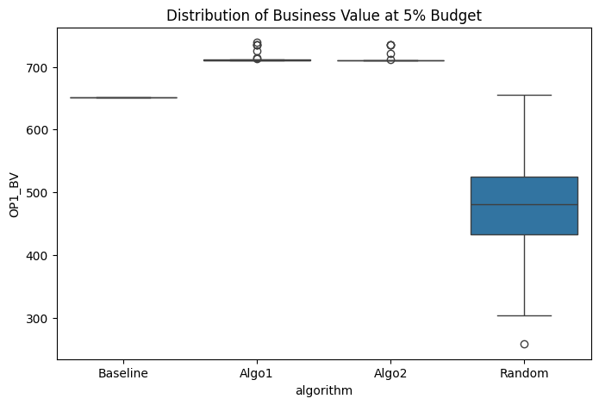
Descriptive Statistics
algorithm | mean | std
Baseline | 652 | 0
Algo1 | 715.03333333 | 8.8336477931
Algo2 | 713.76666667 | 7.4263432935
Random | 481.53333333 | 87.283024906

Overall Comparison (One-way ANOVA)
F-statistic | 187.45170394
p-value | 2.5765965507E-44
Result: | Significant difference detected

Pairwise Comparisons (Tukey HSD)
Pair | Mean diff | 95% CI | p-value | Significant?
Algo1 vs Baseline | -63.0333 | [-92.6614, -33.4053] | 0.0000 | Yes
Algo1 vs Random | -233.5000 | [-263.1280, -203.8720] | 0.0000 | Yes
Algo2 vs Baseline | -61.7667 | [-91.3947, -32.1386] | 0.0000 | Yes
Algo2 vs Random | -232.2333 | [-261.8614, -202.6053] | 0.0000 | Yes
Algo1 vs Algo2 | -1.2667 | [-30.8947, 28.3614] | 0.9995 | No

RequirementsCoverage_at_5pct
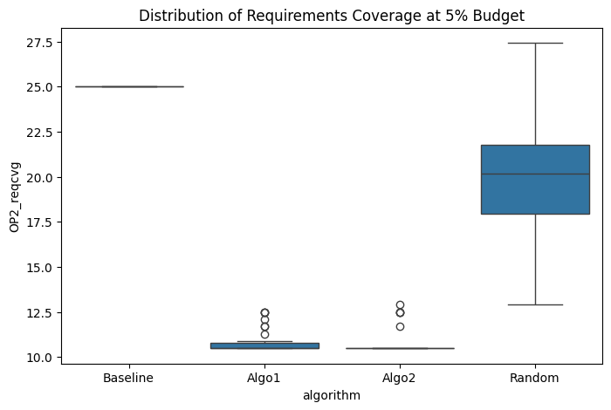
Descriptive Statistics
algorithm | mean | std
Baseline | 25 | 0
Algo1 | 10.860215054 | 0.70187762172
Algo2 | 10.806451613 | 0.75176064468
Random | 19.731182796 | 3.2516576322

Overall Comparison (One-way ANOVA)
F-statistic | 505.11206804
p-value | 2.1491515682E-66
Result: | Significant difference detected

Pairwise Comparisons (Tukey HSD)
Pair | Mean diff | 95% CI | p-value | Significant?
Algo1 vs Baseline | +14.1398 | [12.9921, 15.2875] | 0.0000 | Yes
Algo1 vs Random | +8.8710 | [7.7233, 10.0186] | 0.0000 | Yes
Algo2 vs Baseline | +14.1935 | [13.0459, 15.3412] | 0.0000 | Yes
Algo2 vs Random | +8.9247 | [7.7771, 10.0724] | 0.0000 | Yes
Algo1 vs Algo2 | -0.0538 | [-1.2014, 1.0939] | 0.9993 | No

BusinessValue_at_10pct
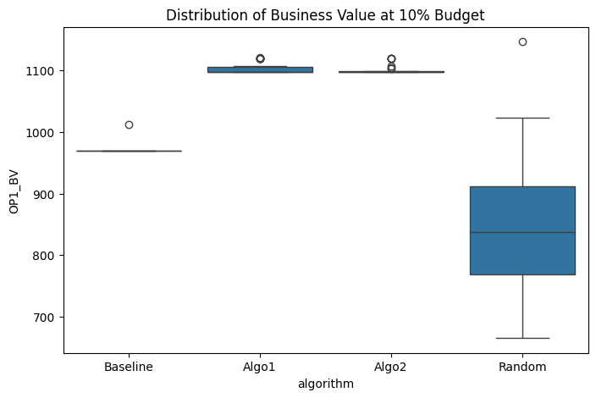
Descriptive Statistics
algorithm | mean | std
Baseline | 971.4 | 7.6681158051
Algo1 | 1103.9666667 | 9.331013669
Algo2 | 1101.6666667 | 7.6308508738
Random | 845.23333333 | 113.15954051

Overall Comparison (One-way ANOVA)
F-statistic | 140.79876308
p-value | 1.6592860715E-38
Result: | Significant difference detected

Pairwise Comparisons (Tukey HSD)
Pair | Mean diff | 95% CI | p-value | Significant?
Algo1 vs Baseline | -132.5667 | [-170.9493, -94.1841] | 0.0000 | Yes
Algo1 vs Random | -258.7333 | [-297.1159, -220.3507] | 0.0000 | Yes
Algo2 vs Baseline | -130.2667 | [-168.6493, -91.8841] | 0.0000 | Yes
Algo2 vs Random | -256.4333 | [-294.8159, -218.0507] | 0.0000 | Yes
Algo1 vs Algo2 | -2.3000 | [-40.6826, 36.0826] | 0.9986 | No

RequirementsCoverage_at_10pct
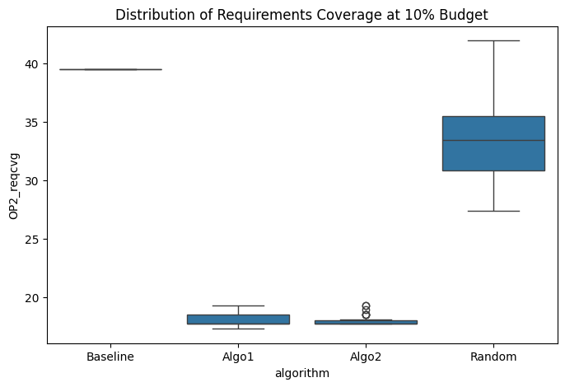
Descriptive Statistics
algorithm | mean | std
Baseline | 39.516129032 | 0
Algo1 | 18.051075269 | 0.4930913013
Algo2 | 18.010752688 | 0.50042741309
Random | 33.252688172 | 3.4390275408

Overall Comparison (One-way ANOVA)
F-statistic | 1157.315328
p-value | 3.072195182E-86
Result: | Significant difference detected

Pairwise Comparisons (Tukey HSD)
Pair | Mean diff | 95% CI | p-value | Significant?
Algo1 vs Baseline | +21.4651 | [20.2839, 22.6463] | 0.0000 | Yes
Algo1 vs Random | +15.2016 | [14.0204, 16.3828] | 0.0000 | Yes
Algo2 vs Baseline | +21.5054 | [20.3242, 22.6866] | 0.0000 | Yes
Algo2 vs Random | +15.2419 | [14.0607, 16.4231] | 0.0000 | Yes
Algo1 vs Algo2 | -0.0403 | [-1.2215, 1.1409] | 0.9997 | No

BusinessValue_at_15pct
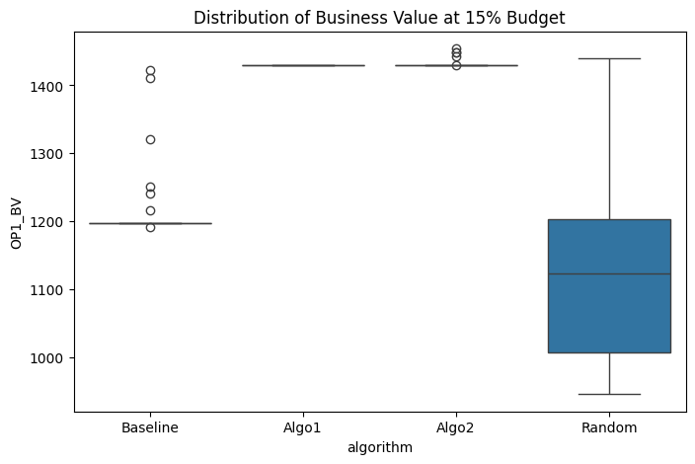
Descriptive Statistics
algorithm | mean | std
Baseline | 1219.5333333 | 59.26022876
Algo1 | 1429 | 0
Algo2 | 1431.6333333 | 6.9156660403
Random | 1119 | 113.65131187

Overall Comparison (One-way ANOVA)
F-statistic | 177.72046527
p-value | 3.2894263615E-43
Result: | Significant difference detected

Pairwise Comparisons (Tukey HSD)
Pair | Mean diff | 95% CI | p-value | Significant?
Algo1 vs Baseline | -209.4667 | [-252.6622, -166.2712] | 0.0000 | Yes
Algo1 vs Random | -310.0000 | [-353.1955, -266.8045] | 0.0000 | Yes
Algo2 vs Baseline | -212.1000 | [-255.2955, -168.9045] | 0.0000 | Yes
Algo2 vs Random | -312.6333 | [-355.8288, -269.4378] | 0.0000 | Yes
Algo1 vs Algo2 | +2.6333 | [-40.5622, 45.8288] | 0.9986 | No

RequirementsCoverage_at_15pct
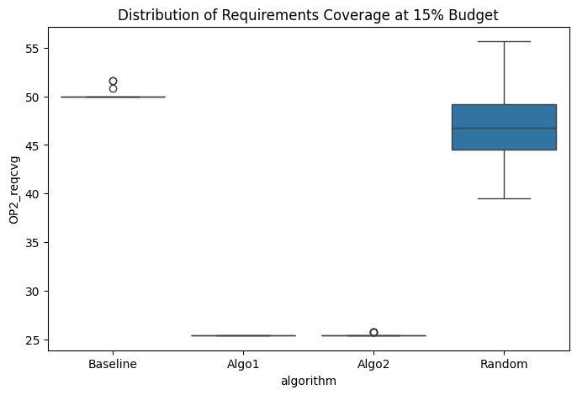
Descriptive Statistics
algorithm | mean | std
Baseline | 50.134408602 | 0.42795857299
Algo1 | 25.403225806 | 0
Algo2 | 25.470430108 | 0.1528423475
Random | 46.801075269 | 3.5595141882

Overall Comparison (One-way ANOVA)
F-statistic | 1664.9696569
p-value | 3.7820915553E-95
Result: | Significant difference detected

Pairwise Comparisons (Tukey HSD)
Pair | Mean diff | 95% CI | p-value | Significant?
Algo1 vs Baseline | +24.7312 | [23.5236, 25.9387] | 0.0000 | Yes
Algo1 vs Random | +21.3978 | [20.1903, 22.6054] | 0.0000 | Yes
Algo2 vs Baseline | +24.6640 | [23.4564, 25.8715] | 0.0000 | Yes
Algo2 vs Random | +21.3306 | [20.1231, 22.5382] | 0.0000 | Yes
Algo1 vs Algo2 | +0.0672 | [-1.1404, 1.2748] | 0.9989 | No

BusinessValue_at_20pct
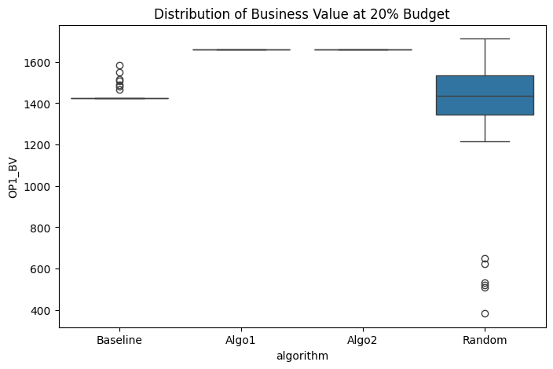
Descriptive Statistics
algorithm | mean | std
Baseline | 1446.2 | 41.606862829
Algo1 | 1659 | 0
Algo2 | 1659 | 0
Random | 1287.9666667 | 396.949965

Overall Comparison (One-way ANOVA)
F-statistic | 24.540862582
p-value | 2.2811246044E-12
Result: | Significant difference detected

Pairwise Comparisons (Tukey HSD)
Pair | Mean diff | 95% CI | p-value | Significant?
Algo1 vs Baseline | -212.8000 | [-347.1130, -78.4870] | 0.0004 | Yes
Algo1 vs Random | -371.0333 | [-505.3463, -236.7203] | 0.0000 | Yes
Algo2 vs Baseline | -212.8000 | [-347.1130, -78.4870] | 0.0004 | Yes
Algo2 vs Random | -371.0333 | [-505.3463, -236.7203] | 0.0000 | Yes
Algo1 vs Algo2 | +0.0000 | [-134.3130, 134.3130] | 1.0000 | No

RequirementsCoverage_at_20pct
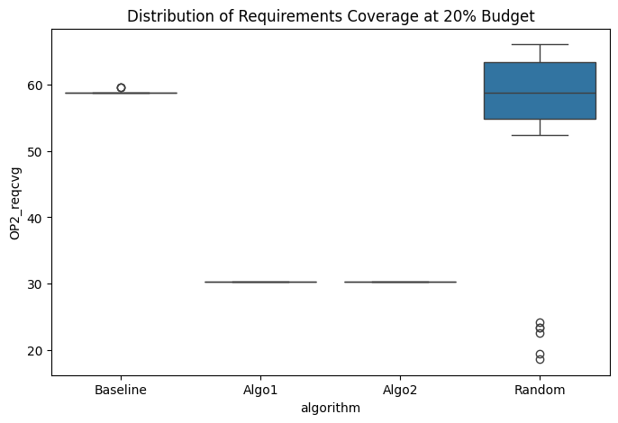
Descriptive Statistics
algorithm | mean | std
Baseline | 58.951612903 | 0.24607143277
Algo1 | 30.241935484 | 0
Algo2 | 30.241935484 | 0
Random | 52.688172043 | 16.080758311

Overall Comparison (One-way ANOVA)
F-statistic | 104.20935489
p-value | 8.865073426E-33
Result: | Significant difference detected

Pairwise Comparisons (Tukey HSD)
Pair | Mean diff | 95% CI | p-value | Significant?
Algo1 vs Baseline | +28.7097 | [23.2976, 34.1218] | 0.0000 | Yes
Algo1 vs Random | +22.4462 | [17.0341, 27.8584] | 0.0000 | Yes
Algo2 vs Baseline | +28.7097 | [23.2976, 34.1218] | 0.0000 | Yes
Algo2 vs Random | +22.4462 | [17.0341, 27.8584] | 0.0000 | Yes
Algo1 vs Algo2 | +0.0000 | [-5.4121, 5.4121] | 1.0000 | No

BusinessValue_at_25pct
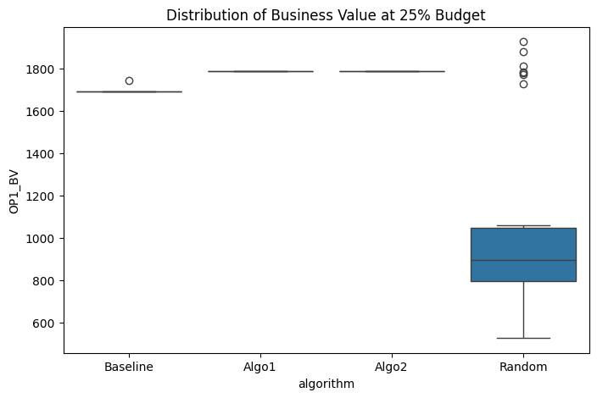
Descriptive Statistics
algorithm | mean | std
Baseline | 1690.7333333 | 9.4938576634
Algo1 | 1785 | 0
Algo2 | 1785 | 0
Random | 1062.5333333 | 435.62541116

Overall Comparison (One-way ANOVA)
F-statistic | 76.705290168
p-value | 2.060073716E-27
Result: | Significant difference detected

Pairwise Comparisons (Tukey HSD)
Pair | Mean diff | 95% CI | p-value | Significant?
Algo1 vs Baseline | -94.2667 | [-240.8977, 52.3644] | 0.3411 | No
Algo1 vs Random | -722.4667 | [-869.0977, -575.8356] | 0.0000 | Yes
Algo2 vs Baseline | -94.2667 | [-240.8977, 52.3644] | 0.3411 | No
Algo2 vs Random | -722.4667 | [-869.0977, -575.8356] | 0.0000 | Yes
Algo1 vs Algo2 | +0.0000 | [-146.6310, 146.6310] | 1.0000 | No

RequirementsCoverage_at_25pct
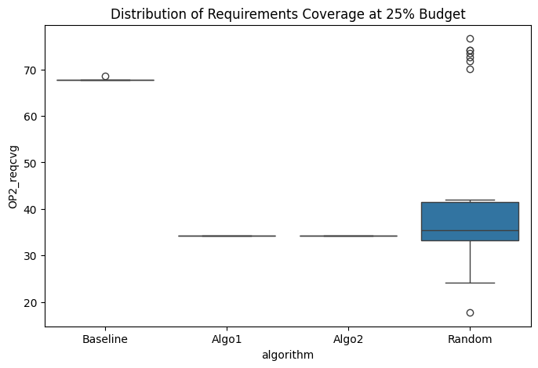
Descriptive Statistics
algorithm | mean | std
Baseline | 67.768817204 | 0.14723724664
Algo1 | 34.274193548 | 0
Algo2 | 34.274193548 | 0
Random | 42.930107527 | 17.698505006

Overall Comparison (One-way ANOVA)
F-statistic | 96.1055594
p-value | 2.5924815544E-31
Result: | Significant difference detected

Pairwise Comparisons (Tukey HSD)
Pair | Mean diff | 95% CI | p-value | Significant?
Algo1 vs Baseline | +33.4946 | [27.5385, 39.4507] | 0.0000 | Yes
Algo1 vs Random | +8.6559 | [2.6998, 14.6120] | 0.0014 | Yes
Algo2 vs Baseline | +33.4946 | [27.5385, 39.4507] | 0.0000 | Yes
Algo2 vs Random | +8.6559 | [2.6998, 14.6120] | 0.0014 | Yes
Algo1 vs Algo2 | +0.0000 | [-5.9561, 5.9561] | 1.0000 | No

BusinessValue_at_30pct
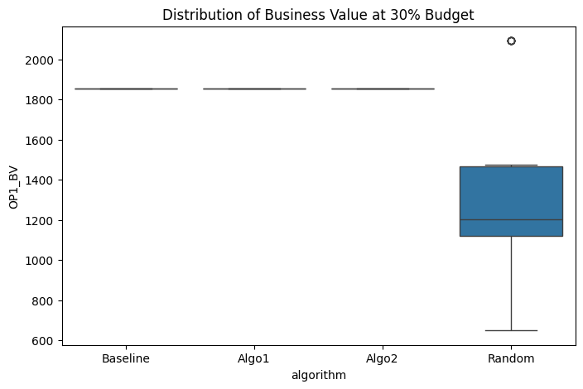
Descriptive Statistics
algorithm | mean | std
Baseline | 1853 | 0
Algo1 | 1853 | 0
Algo2 | 1853 | 0
Random | 1371.5 | 437.05959114

Overall Comparison (One-way ANOVA)
F-statistic | 36.410993352
p-value | 1.1737829137E-16
Result: | Significant difference detected

Pairwise Comparisons (Tukey HSD)
Pair | Mean diff | 95% CI | p-value | Significant?
Algo1 vs Baseline | +0.0000 | [-147.0789, 147.0789] | 1.0000 | No
Algo1 vs Random | -481.5000 | [-628.5789, -334.4211] | 0.0000 | Yes
Algo2 vs Baseline | +0.0000 | [-147.0789, 147.0789] | 1.0000 | No
Algo2 vs Random | -481.5000 | [-628.5789, -334.4211] | 0.0000 | Yes
Algo1 vs Algo2 | +0.0000 | [-147.0789, 147.0789] | 1.0000 | No

RequirementsCoverage_at_30pct
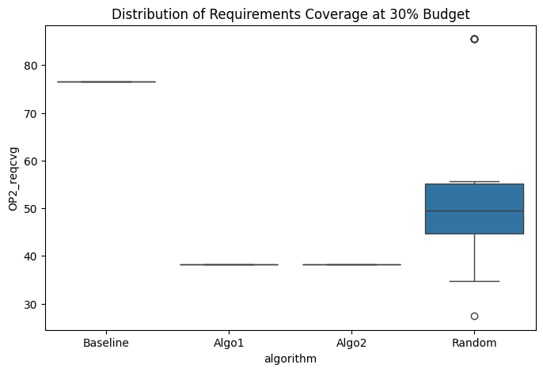
Descriptive Statistics
algorithm | mean | std
Baseline | 76.612903226 | 0
Algo1 | 38.306451613 | 0
Algo2 | 38.306451613 | 0
Random | 55.376344086 | 18.035707868

Overall Comparison (One-way ANOVA)
F-statistic | 122.0007354
p-value | 1.0001382293E-35
Result: | Significant difference detected

Pairwise Comparisons (Tukey HSD)
Pair | Mean diff | 95% CI | p-value | Significant?
Algo1 vs Baseline | +38.3065 | [32.2371, 44.3758] | 0.0000 | Yes
Algo1 vs Random | +17.0699 | [11.0005, 23.1393] | 0.0000 | Yes
Algo2 vs Baseline | +38.3065 | [32.2371, 44.3758] | 0.0000 | Yes
Algo2 vs Random | +17.0699 | [11.0005, 23.1393] | 0.0000 | Yes
Algo1 vs Algo2 | +0.0000 | [-6.0694, 6.0694] | 1.0000 | No

BusinessValue_at_35pct

Descriptive Statistics
algorithm | mean | std
Baseline | 1853 | 0
Algo1 | 1853 | 0
Algo2 | 1853 | 0
Random | 1487 | 237.96160223

Overall Comparison (One-way ANOVA)
F-statistic | 70.96915865
p-value | 3.9155917669E-26
Result: | Significant difference detected

Pairwise Comparisons (Tukey HSD)
Pair | Mean diff | 95% CI | p-value | Significant?
Algo1 vs Baseline | +0.0000 | [-80.0786, 80.0786] | 1.0000 | No
Algo1 vs Random | -366.0000 | [-446.0786, -285.9214] | 0.0000 | Yes
Algo2 vs Baseline | +0.0000 | [-80.0786, 80.0786] | 1.0000 | No
Algo2 vs Random | -366.0000 | [-446.0786, -285.9214] | 0.0000 | Yes
Algo1 vs Algo2 | +0.0000 | [-80.0786, 80.0786] | 1.0000 | No

RequirementsCoverage_at_35pct
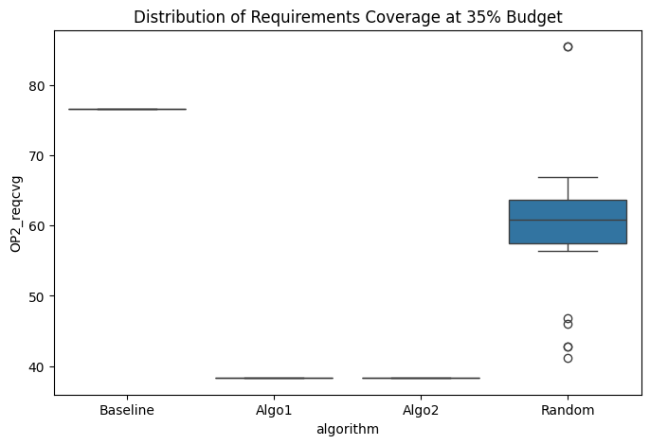
Descriptive Statistics
algorithm | mean | std
Baseline | 76.612903226 | 0
Algo1 | 38.306451613 | 0
Algo2 | 38.306451613 | 0
Random | 60.161290323 | 9.9732319622

Overall Comparison (One-way ANOVA)
F-statistic | 418.30564574
p-value | 5.1288480409E-62
Result: | Significant difference detected

Pairwise Comparisons (Tukey HSD)
Pair | Mean diff | 95% CI | p-value | Significant?
Algo1 vs Baseline | +38.3065 | [34.9503, 41.6626] | 0.0000 | Yes
Algo1 vs Random | +21.8548 | [18.4987, 25.2110] | 0.0000 | Yes
Algo2 vs Baseline | +38.3065 | [34.9503, 41.6626] | 0.0000 | Yes
Algo2 vs Random | +21.8548 | [18.4987, 25.2110] | 0.0000 | Yes
Algo1 vs Algo2 | +0.0000 | [-3.3562, 3.3562] | 1.0000 | No

BusinessValue_at_40pct
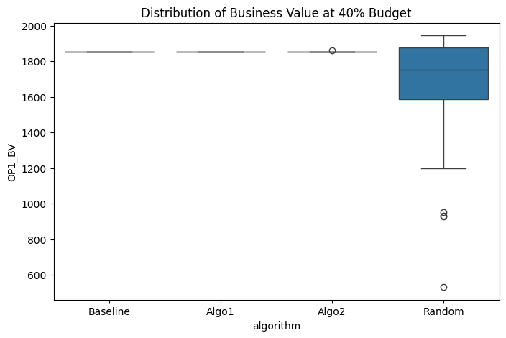
Descriptive Statistics
algorithm | mean | std
Baseline | 1853 | 0
Algo1 | 1853 | 0
Algo2 | 1853.2666667 | 1.4605934867
Random | 1640.8666667 | 363.0291841

Overall Comparison (One-way ANOVA)
F-statistic | 10.252115037
p-value | 4.8623813821E-06
Result: | Significant difference detected

Pairwise Comparisons (Tukey HSD)
Pair | Mean diff | 95% CI | p-value | Significant?
Algo1 vs Baseline | +0.0000 | [-122.1672, 122.1672] | 1.0000 | No
Algo1 vs Random | -212.1333 | [-334.3005, -89.9661] | 0.0001 | Yes
Algo2 vs Baseline | -0.2667 | [-122.4339, 121.9005] | 1.0000 | No
Algo2 vs Random | -212.4000 | [-334.5672, -90.2328] | 0.0001 | Yes
Algo1 vs Algo2 | +0.2667 | [-121.9005, 122.4339] | 1.0000 | No

RequirementsCoverage_at_40pct
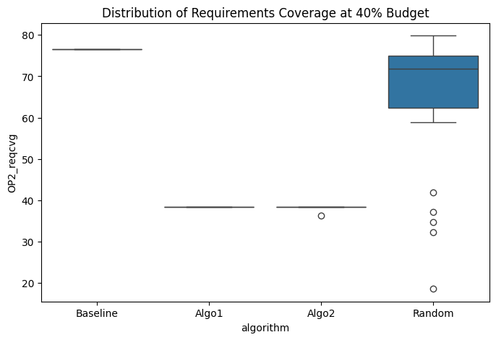
Descriptive Statistics
algorithm | mean | std
Baseline | 76.612903226 | 0
Algo1 | 38.306451613 | 0
Algo2 | 38.239247312 | 0.3680931166
Random | 65 | 15.864911982

Overall Comparison (One-way ANOVA)
F-statistic | 178.82907572
p-value | 2.447004806E-43
Result: | Significant difference detected

Pairwise Comparisons (Tukey HSD)
Pair | Mean diff | 95% CI | p-value | Significant?
Algo1 vs Baseline | +38.3065 | [32.9662, 43.6467] | 0.0000 | Yes
Algo1 vs Random | +26.6935 | [21.3533, 32.0338] | 0.0000 | Yes
Algo2 vs Baseline | +38.3737 | [33.0334, 43.7139] | 0.0000 | Yes
Algo2 vs Random | +26.7608 | [21.4205, 32.1010] | 0.0000 | Yes
Algo1 vs Algo2 | -0.0672 | [-5.4075, 5.2731] | 1.0000 | No

BusinessValue_at_45pct
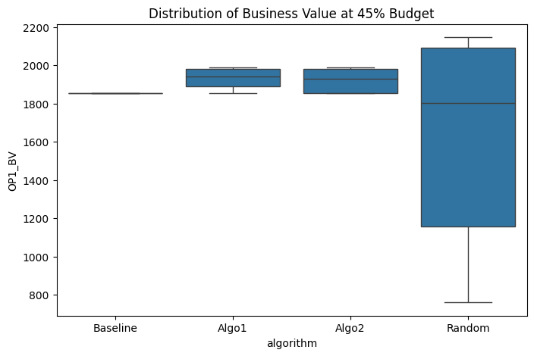
Descriptive Statistics
algorithm | mean | std
Baseline | 1853 | 0
Algo1 | 1933.5666667 | 51.539528408
Algo2 | 1919.4 | 60.950856405
Random | 1618.6333333 | 474.57149335

Overall Comparison (One-way ANOVA)
F-statistic | 11.03988064
p-value | 1.9776231612E-06
Result: | Significant difference detected

Pairwise Comparisons (Tukey HSD)
Pair | Mean diff | 95% CI | p-value | Significant?
Algo1 vs Baseline | -80.5667 | [-242.5122, 81.3789] | 0.5668 | No
Algo1 vs Random | -314.9333 | [-476.8789, -152.9878] | 0.0000 | Yes
Algo2 vs Baseline | -66.4000 | [-228.3455, 95.5455] | 0.7092 | No
Algo2 vs Random | -300.7667 | [-462.7122, -138.8211] | 0.0000 | Yes
Algo1 vs Algo2 | -14.1667 | [-176.1122, 147.7789] | 0.9958 | No

RequirementsCoverage_at_45pct
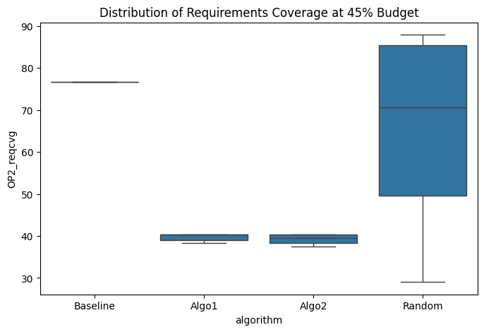
Descriptive Statistics
algorithm | mean | std
Baseline | 76.612903226 | 0
Algo1 | 39.677419355 | 0.83110266352
Algo2 | 39.327956989 | 0.99185145138
Random | 65.698924731 | 18.574042002

Overall Comparison (One-way ANOVA)
F-statistic | 122.48497375
p-value | 8.4034672715E-36
Result: | Significant difference detected

Pairwise Comparisons (Tukey HSD)
Pair | Mean diff | 95% CI | p-value | Significant?
Algo1 vs Baseline | +36.9355 | [30.6698, 43.2012] | 0.0000 | Yes
Algo1 vs Random | +26.0215 | [19.7558, 32.2872] | 0.0000 | Yes
Algo2 vs Baseline | +37.2849 | [31.0193, 43.5506] | 0.0000 | Yes
Algo2 vs Random | +26.3710 | [20.1053, 32.6366] | 0.0000 | Yes
Algo1 vs Algo2 | -0.3495 | [-6.6151, 5.9162] | 0.9989 | No

BusinessValue_at_50pct
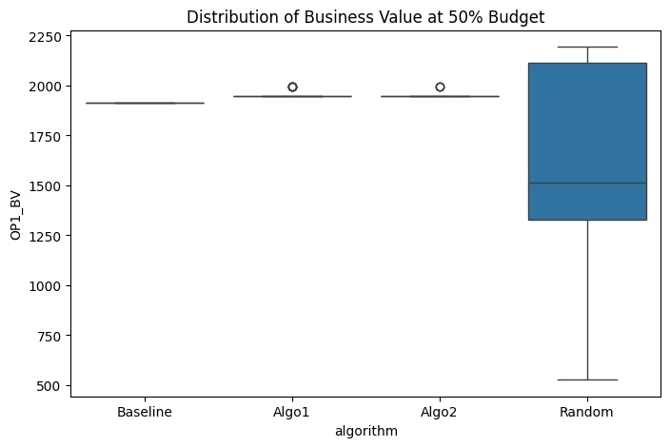
Descriptive Statistics
algorithm | mean | std
Baseline | 1916 | 0
Algo1 | 1956.4 | 19.121390802
Algo2 | 1951.7 | 14.341043102
Random | 1597.6333333 | 432.8587795

Overall Comparison (One-way ANOVA)
F-statistic | 19.06813786
p-value | 4.0347988296E-10
Result: | Significant difference detected

Pairwise Comparisons (Tukey HSD)
Pair | Mean diff | 95% CI | p-value | Significant?
Algo1 vs Baseline | -40.4000 | [-186.2871, 105.4871] | 0.8882 | No
Algo1 vs Random | -358.7667 | [-504.6538, -212.8796] | 0.0000 | Yes
Algo2 vs Baseline | -35.7000 | [-181.5871, 110.1871] | 0.9195 | No
Algo2 vs Random | -354.0667 | [-499.9538, -208.1796] | 0.0000 | Yes
Algo1 vs Algo2 | -4.7000 | [-150.5871, 141.1871] | 0.9998 | No

RequirementsCoverage_at_50pct
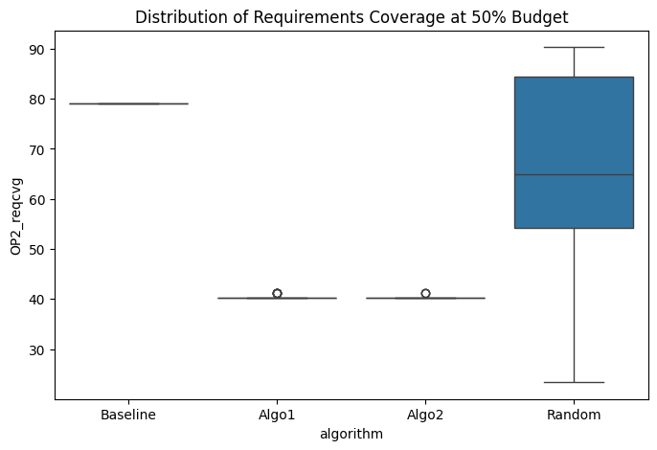
Descriptive Statistics
algorithm | mean | std
Baseline | 79.032258065 | 0
Algo1 | 40.483870968 | 0.32809524369
Algo2 | 40.403225806 | 0.24607143277
Random | 65.376344086 | 17.52180832

Overall Comparison (One-way ANOVA)
F-statistic | 143.49679135
p-value | 6.9970863644E-39
Result: | Significant difference detected

Pairwise Comparisons (Tukey HSD)
Pair | Mean diff | 95% CI | p-value | Significant?
Algo1 vs Baseline | +38.5484 | [32.6504, 44.4464] | 0.0000 | Yes
Algo1 vs Random | +24.8925 | [18.9944, 30.7905] | 0.0000 | Yes
Algo2 vs Baseline | +38.6290 | [32.7310, 44.5271] | 0.0000 | Yes
Algo2 vs Random | +24.9731 | [19.0751, 30.8712] | 0.0000 | Yes
Algo1 vs Algo2 | -0.0806 | [-5.9787, 5.8174] | 1.0000 | No

BusinessValue_at_55pct
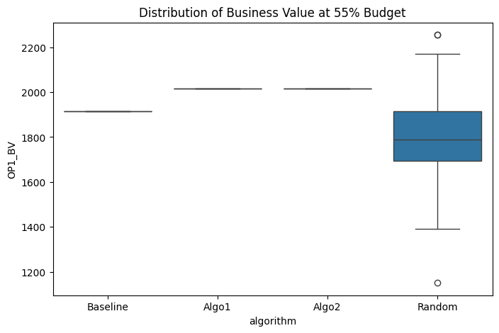
Descriptive Statistics
algorithm | mean | std
Baseline | 1916 | 0
Algo1 | 2016 | 0
Algo2 | 2016 | 0
Random | 1780.1666667 | 238.41416923

Overall Comparison (One-way ANOVA)
F-statistic | 26.333911133
p-value | 4.5962083792E-13
Result: | Significant difference detected

Pairwise Comparisons (Tukey HSD)
Pair | Mean diff | 95% CI | p-value | Significant?
Algo1 vs Baseline | -100.0000 | [-180.2309, -19.7691] | 0.0081 | Yes
Algo1 vs Random | -235.8333 | [-316.0642, -155.6024] | 0.0000 | Yes
Algo2 vs Baseline | -100.0000 | [-180.2309, -19.7691] | 0.0081 | Yes
Algo2 vs Random | -235.8333 | [-316.0642, -155.6024] | 0.0000 | Yes
Algo1 vs Algo2 | +0.0000 | [-80.2309, 80.2309] | 1.0000 | No

RequirementsCoverage_at_55pct
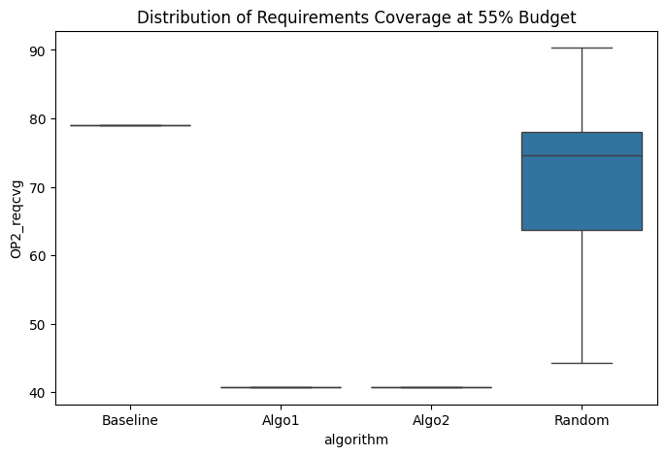
Descriptive Statistics
algorithm | mean | std
Baseline | 79.032258065 | 0
Algo1 | 40.725806452 | 0
Algo2 | 40.725806452 | 0
Random | 71.774193548 | 10.709265307

Overall Comparison (One-way ANOVA)
F-statistic | 428.59210012
p-value | 1.4116726235E-62
Result: | Significant difference detected

Pairwise Comparisons (Tukey HSD)
Pair | Mean diff | 95% CI | p-value | Significant?
Algo1 vs Baseline | +38.3065 | [34.7026, 41.9103] | 0.0000 | Yes
Algo1 vs Random | +31.0484 | [27.4445, 34.6523] | 0.0000 | Yes
Algo2 vs Baseline | +38.3065 | [34.7026, 41.9103] | 0.0000 | Yes
Algo2 vs Random | +31.0484 | [27.4445, 34.6523] | 0.0000 | Yes
Algo1 vs Algo2 | +0.0000 | [-3.6039, 3.6039] | 1.0000 | No

BusinessValue_at_60pct
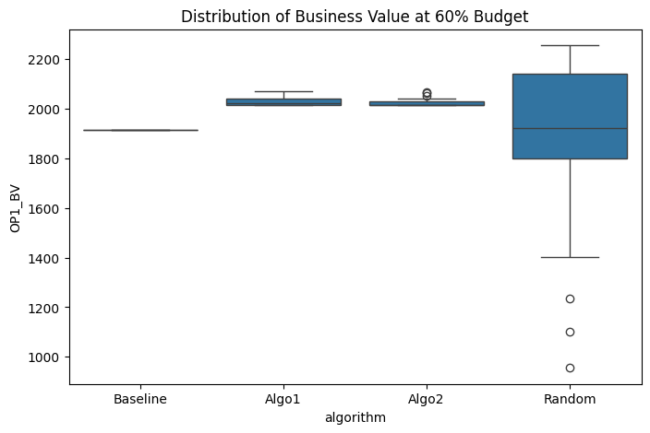
Descriptive Statistics
algorithm | mean | std
Baseline | 1916 | 0
Algo1 | 2029.9666667 | 17.147400192
Algo2 | 2025 | 14.190817818
Random | 1884.3333333 | 333.83852522

Overall Comparison (One-way ANOVA)
F-statistic | 5.9756021205
p-value | 0.000799187693
Result: | Significant difference detected

Pairwise Comparisons (Tukey HSD)
Pair | Mean diff | 95% CI | p-value | Significant?
Algo1 vs Baseline | -113.9667 | [-226.5591, -1.3742] | 0.0461 | Yes
Algo1 vs Random | -145.6333 | [-258.2258, -33.0409] | 0.0055 | Yes
Algo2 vs Baseline | -109.0000 | [-221.5924, 3.5924] | 0.0615 | No
Algo2 vs Random | -140.6667 | [-253.2591, -28.0742] | 0.0080 | Yes
Algo1 vs Algo2 | -4.9667 | [-117.5591, 107.6258] | 0.9995 | No

RequirementsCoverage_at_60pct
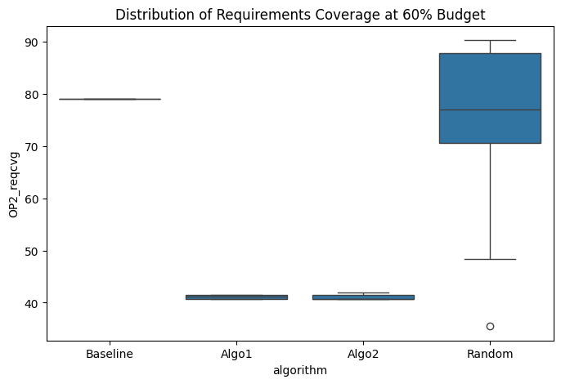
Descriptive Statistics
algorithm | mean | std
Baseline | 79.032258065 | 0
Algo1 | 41.115591398 | 0.35883789785
Algo2 | 41.008064516 | 0.41216454887
Random | 76.532258065 | 14.019994513

Overall Comparison (One-way ANOVA)
F-statistic | 274.61716675
p-value | 1.6218124315E-52
Result: | Significant difference detected

Pairwise Comparisons (Tukey HSD)
Pair | Mean diff | 95% CI | p-value | Significant?
Algo1 vs Baseline | +37.9167 | [33.1951, 42.6382] | 0.0000 | Yes
Algo1 vs Random | +35.4167 | [30.6951, 40.1382] | 0.0000 | Yes
Algo2 vs Baseline | +38.0242 | [33.3026, 42.7458] | 0.0000 | Yes
Algo2 vs Random | +35.5242 | [30.8026, 40.2458] | 0.0000 | Yes
Algo1 vs Algo2 | -0.1075 | [-4.8291, 4.6141] | 0.9999 | No

BusinessValue_at_65pct
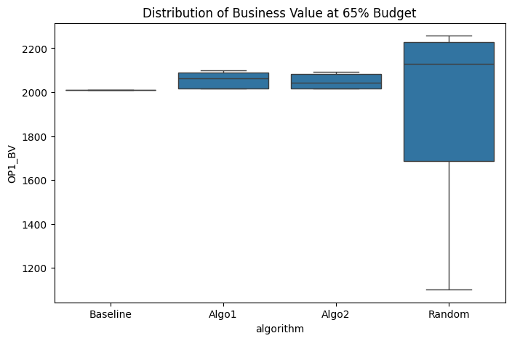
Descriptive Statistics
algorithm | mean | std
Baseline | 2010 | 0
Algo1 | 2053.2 | 34.248986897
Algo2 | 2049.9333333 | 31.470767315
Random | 1944.6333333 | 363.90804857

Overall Comparison (One-way ANOVA)
F-statistic | 2.2749559777
p-value | 0.083562130367
Result: | No significant difference

RequirementsCoverage_at_65pct
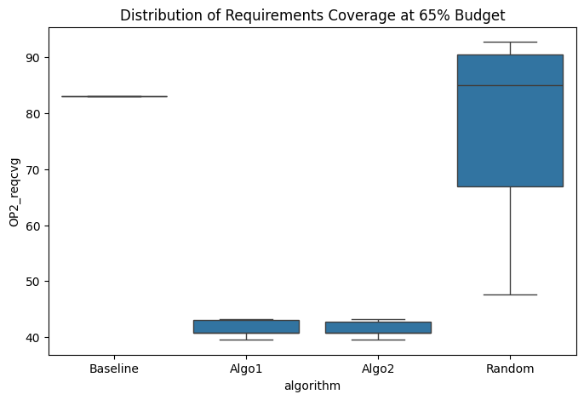
Descriptive Statistics
algorithm | mean | std
Baseline | 83.064516129 | 0
Algo1 | 41.451612903 | 1.259183496
Algo2 | 41.370967742 | 1.2689413161
Random | 78.709677419 | 14.678366653

Overall Comparison (One-way ANOVA)
F-statistic | 286.81882519
p-value | 1.7729237764E-53
Result: | Significant difference detected

Pairwise Comparisons (Tukey HSD)
Pair | Mean diff | 95% CI | p-value | Significant?
Algo1 vs Baseline | +41.6129 | [36.6369, 46.5890] | 0.0000 | Yes
Algo1 vs Random | +37.2581 | [32.2820, 42.2341] | 0.0000 | Yes
Algo2 vs Baseline | +41.6935 | [36.7175, 46.6696] | 0.0000 | Yes
Algo2 vs Random | +37.3387 | [32.3627, 42.3148] | 0.0000 | Yes
Algo1 vs Algo2 | -0.0806 | [-5.0567, 4.8954] | 1.0000 | No

BusinessValue_at_70pct
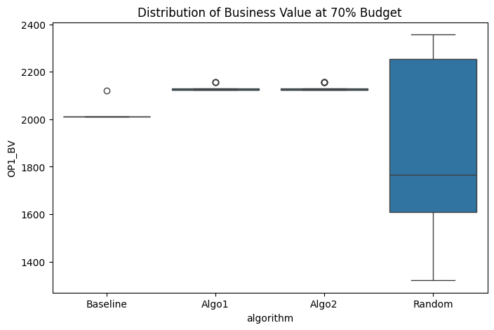
Descriptive Statistics
algorithm | mean | std
Baseline | 2013.7 | 20.265734628
Algo1 | 2130.2666667 | 10.897431945
Algo2 | 2133.6666667 | 13.301110489
Random | 1876.3333333 | 363.71667008

Overall Comparison (One-way ANOVA)
F-statistic | 13.351024017
p-value | 1.5160264858E-07
Result: | Significant difference detected

Pairwise Comparisons (Tukey HSD)
Pair | Mean diff | 95% CI | p-value | Significant?
Algo1 vs Baseline | -116.5667 | [-239.2906, 6.1572] | 0.0691 | No
Algo1 vs Random | -253.9333 | [-376.6572, -131.2094] | 0.0000 | Yes
Algo2 vs Baseline | -119.9667 | [-242.6906, 2.7572] | 0.0579 | No
Algo2 vs Random | -257.3333 | [-380.0572, -134.6094] | 0.0000 | Yes
Algo1 vs Algo2 | +3.4000 | [-119.3239, 126.1239] | 0.9999 | No

RequirementsCoverage_at_70pct
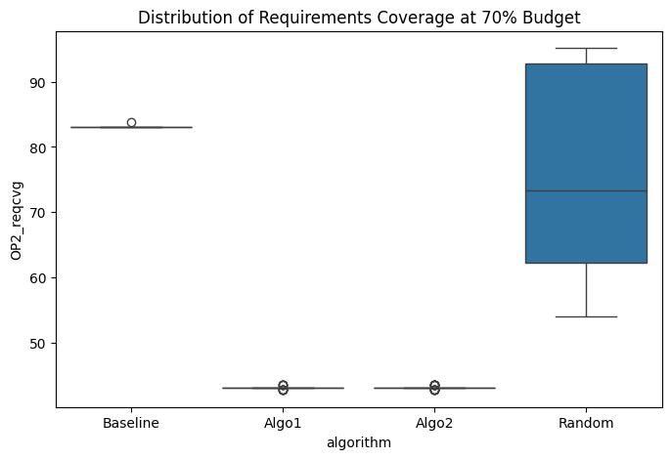
Descriptive Statistics
algorithm | mean | std
Baseline | 83.091397849 | 0.14723724664
Algo1 | 43.13172043 | 0.22421508741
Algo2 | 43.158602151 | 0.26962707075
Random | 75.672043011 | 15.158632487

Overall Comparison (One-way ANOVA)
F-statistic | 233.22212053
p-value | 5.9579171358E-49
Result: | Significant difference detected

Pairwise Comparisons (Tukey HSD)
Pair | Mean diff | 95% CI | p-value | Significant?
Algo1 vs Baseline | +39.9597 | [34.8569, 45.0625] | 0.0000 | Yes
Algo1 vs Random | +32.5403 | [27.4375, 37.6431] | 0.0000 | Yes
Algo2 vs Baseline | +39.9328 | [34.8300, 45.0356] | 0.0000 | Yes
Algo2 vs Random | +32.5134 | [27.4107, 37.6162] | 0.0000 | Yes
Algo1 vs Algo2 | +0.0269 | [-5.0759, 5.1297] | 1.0000 | No

BusinessValue_at_75pct
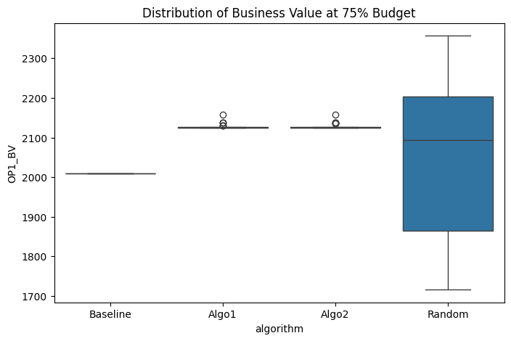
Descriptive Statistics
algorithm | mean | std
Baseline | 2010 | 0
Algo1 | 2128 | 6.8732364509
Algo2 | 2128.4666667 | 7.2241612487
Random | 2051.1333333 | 205.58960348

Overall Comparison (One-way ANOVA)
F-statistic | 9.8047830805
p-value | 8.1495438345E-06
Result: | Significant difference detected

Pairwise Comparisons (Tukey HSD)
Pair | Mean diff | 95% CI | p-value | Significant?
Algo1 vs Baseline | -118.0000 | [-187.2661, -48.7339] | 0.0001 | Yes
Algo1 vs Random | -76.8667 | [-146.1328, -7.6005] | 0.0233 | Yes
Algo2 vs Baseline | -118.4667 | [-187.7328, -49.2005] | 0.0001 | Yes
Algo2 vs Random | -77.3333 | [-146.5995, -8.0672] | 0.0222 | Yes
Algo1 vs Algo2 | +0.4667 | [-68.7995, 69.7328] | 1.0000 | No

RequirementsCoverage_at_75pct
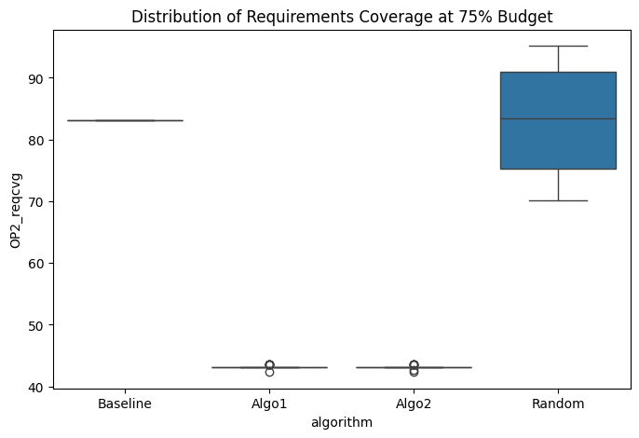
Descriptive Statistics
algorithm | mean | std
Baseline | 83.064516129 | 0
Algo1 | 43.212365591 | 0.238747379
Algo2 | 43.185483871 | 0.24492956381
Random | 82.768817204 | 8.7692196337

Overall Comparison (One-way ANOVA)
F-statistic | 819.33049261
p-value | 7.0871640848E-78
Result: | Significant difference detected

Pairwise Comparisons (Tukey HSD)
Pair | Mean diff | 95% CI | p-value | Significant?
Algo1 vs Baseline | +39.8522 | [36.8989, 42.8054] | 0.0000 | Yes
Algo1 vs Random | +39.5565 | [36.6032, 42.5097] | 0.0000 | Yes
Algo2 vs Baseline | +39.8790 | [36.9258, 42.8323] | 0.0000 | Yes
Algo2 vs Random | +39.5833 | [36.6301, 42.5366] | 0.0000 | Yes
Algo1 vs Algo2 | -0.0269 | [-2.9801, 2.9264] | 1.0000 | No

BusinessValue_at_80pct
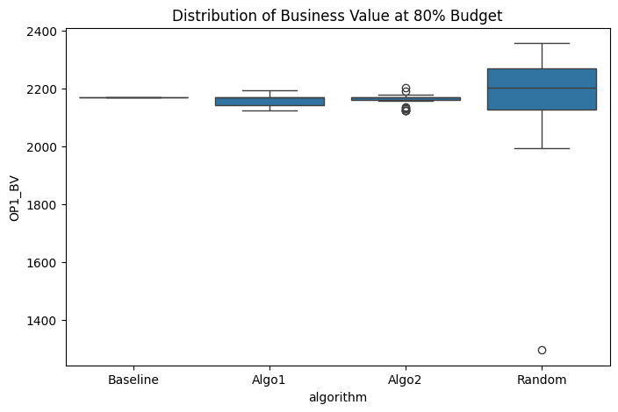
Descriptive Statistics
algorithm | mean | std
Baseline | 2171 | 0
Algo1 | 2158.9666667 | 20.863238307
Algo2 | 2162.7 | 20.484056037
Random | 2173.8333333 | 188.20093505

Overall Comparison (One-way ANOVA)
F-statistic | 0.16006454791
p-value | 0.922988813
Result: | No significant difference

RequirementsCoverage_at_80pct
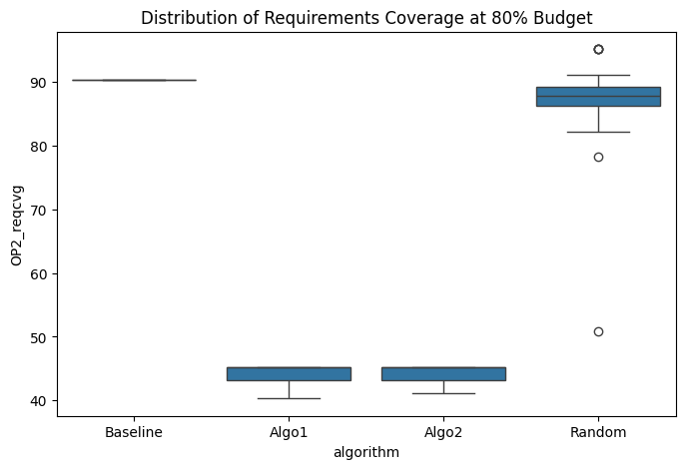
Descriptive Statistics
algorithm | mean | std
Baseline | 90.322580645 | 0
Algo1 | 44.045698925 | 1.4115220425
Algo2 | 44.193548387 | 1.3708859493
Random | 86.85483871 | 7.8049150898

Overall Comparison (One-way ANOVA)
F-statistic | 1224.6158109
p-value | 1.2847837313E-87
Result: | Significant difference detected

Pairwise Comparisons (Tukey HSD)
Pair | Mean diff | 95% CI | p-value | Significant?
Algo1 vs Baseline | +46.2769 | [43.5682, 48.9856] | 0.0000 | Yes
Algo1 vs Random | +42.8091 | [40.1005, 45.5178] | 0.0000 | Yes
Algo2 vs Baseline | +46.1290 | [43.4203, 48.8377] | 0.0000 | Yes
Algo2 vs Random | +42.6613 | [39.9526, 45.3700] | 0.0000 | Yes
Algo1 vs Algo2 | +0.1478 | [-2.5608, 2.8565] | 0.9990 | No

BusinessValue_at_85pct
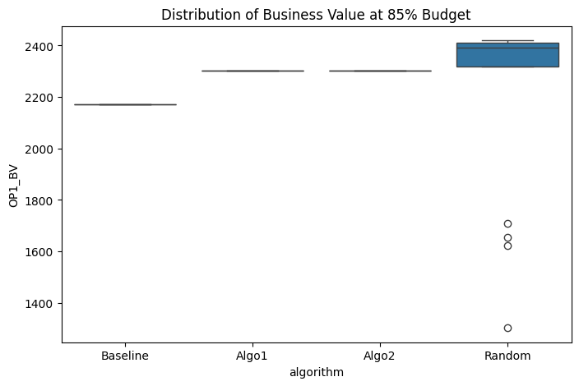
Descriptive Statistics
algorithm | mean | std
Baseline | 2171 | 0
Algo1 | 2302 | 0
Algo2 | 2302 | 0
Random | 2269.8666667 | 286.95605014

Overall Comparison (One-way ANOVA)
F-statistic | 5.605975699
p-value | 0.001262905525
Result: | Significant difference detected

Pairwise Comparisons (Tukey HSD)
Pair | Mean diff | 95% CI | p-value | Significant?
Algo1 vs Baseline | -131.0000 | [-227.5662, -34.4338] | 0.0032 | Yes
Algo1 vs Random | -32.1333 | [-128.6995, 64.4328] | 0.8216 | No
Algo2 vs Baseline | -131.0000 | [-227.5662, -34.4338] | 0.0032 | Yes
Algo2 vs Random | -32.1333 | [-128.6995, 64.4328] | 0.8216 | No
Algo1 vs Algo2 | +0.0000 | [-96.5662, 96.5662] | 1.0000 | No

RequirementsCoverage_at_85pct
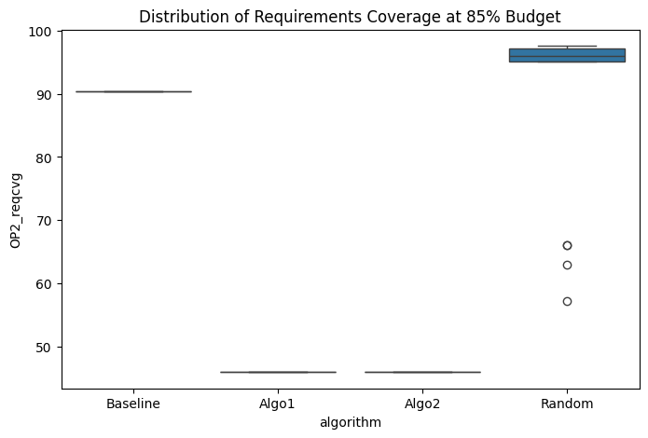
Descriptive Statistics
algorithm | mean | std
Baseline | 90.322580645 | 0
Algo1 | 45.967741935 | 0
Algo2 | 45.967741935 | 0
Random | 91.801075269 | 11.563288785

Overall Comparison (One-way ANOVA)
F-statistic | 608.65303441
p-value | 8.7995168601E-71
Result: | Significant difference detected

Pairwise Comparisons (Tukey HSD)
Pair | Mean diff | 95% CI | p-value | Significant?
Algo1 vs Baseline | +44.3548 | [40.4636, 48.2461] | 0.0000 | Yes
Algo1 vs Random | +45.8333 | [41.9421, 49.7246] | 0.0000 | Yes
Algo2 vs Baseline | +44.3548 | [40.4636, 48.2461] | 0.0000 | Yes
Algo2 vs Random | +45.8333 | [41.9421, 49.7246] | 0.0000 | Yes
Algo1 vs Algo2 | +0.0000 | [-3.8913, 3.8913] | 1.0000 | No

BusinessValue_at_90pct
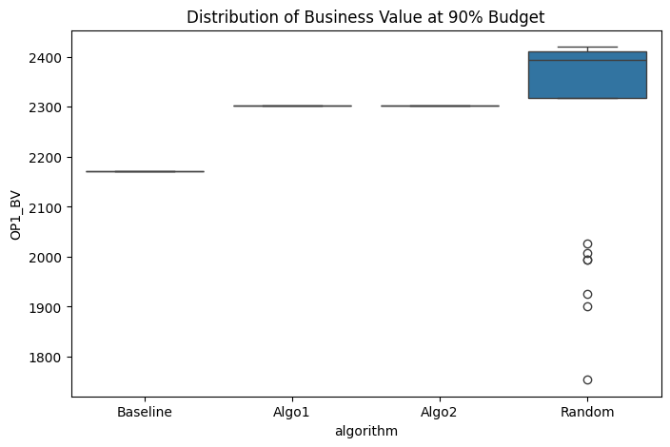
Descriptive Statistics
algorithm | mean | std
Baseline | 2171 | 0
Algo1 | 2302 | 0
Algo2 | 2302 | 0
Random | 2277.4666667 | 196.05290161

Overall Comparison (One-way ANOVA)
F-statistic | 12.191699848
p-value | 5.427025905E-07
Result: | Significant difference detected

Pairwise Comparisons (Tukey HSD)
Pair | Mean diff | 95% CI | p-value | Significant?
Algo1 vs Baseline | -131.0000 | [-196.9755, -65.0245] | 0.0000 | Yes
Algo1 vs Random | -24.5333 | [-90.5089, 41.4422] | 0.7671 | No
Algo2 vs Baseline | -131.0000 | [-196.9755, -65.0245] | 0.0000 | Yes
Algo2 vs Random | -24.5333 | [-90.5089, 41.4422] | 0.7671 | No
Algo1 vs Algo2 | +0.0000 | [-65.9755, 65.9755] | 1.0000 | No

RequirementsCoverage_at_90pct
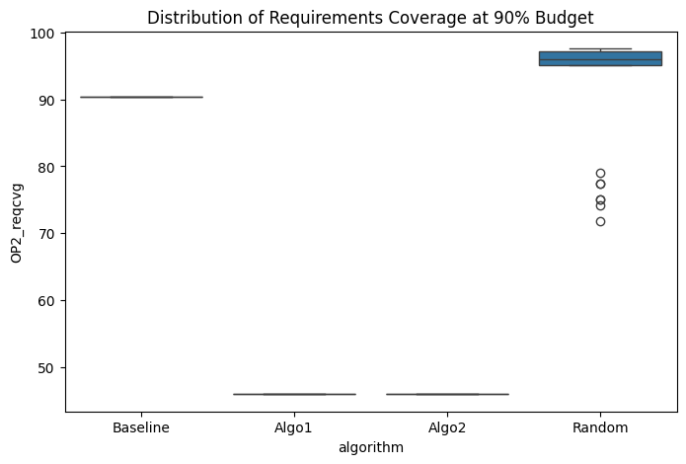
Descriptive Statistics
algorithm | mean | std
Baseline | 90.322580645 | 0
Algo1 | 45.967741935 | 0
Algo2 | 45.967741935 | 0
Random | 91.478494624 | 8.9719785902

Overall Comparison (One-way ANOVA)
F-statistic | 1003.5848571
p-value | 8.9539946308E-83
Result: | Significant difference detected

Pairwise Comparisons (Tukey HSD)
Pair | Mean diff | 95% CI | p-value | Significant?
Algo1 vs Baseline | +44.3548 | [41.3356, 47.3741] | 0.0000 | Yes
Algo1 vs Random | +45.5108 | [42.4915, 48.5300] | 0.0000 | Yes
Algo2 vs Baseline | +44.3548 | [41.3356, 47.3741] | 0.0000 | Yes
Algo2 vs Random | +45.5108 | [42.4915, 48.5300] | 0.0000 | Yes
Algo1 vs Algo2 | +0.0000 | [-3.0192, 3.0192] | 1.0000 | No

BusinessValue_at_95pct
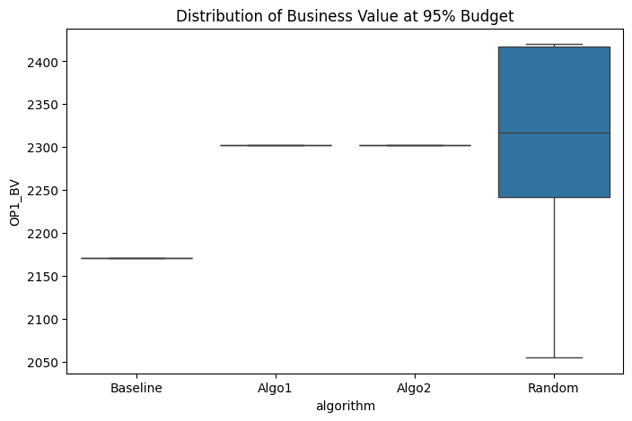
Descriptive Statistics
algorithm | mean | std
Baseline | 2171 | 0
Algo1 | 2302 | 0
Algo2 | 2302 | 0
Random | 2312.8 | 111.8787521

Overall Comparison (One-way ANOVA)
F-statistic | 43.671129247
p-value | 5.7977110453E-19
Result: | Significant difference detected

Pairwise Comparisons (Tukey HSD)
Pair | Mean diff | 95% CI | p-value | Significant?
Algo1 vs Baseline | -131.0000 | [-168.6493, -93.3507] | 0.0000 | Yes
Algo1 vs Random | +10.8000 | [-26.8493, 48.4493] | 0.8775 | No
Algo2 vs Baseline | -131.0000 | [-168.6493, -93.3507] | 0.0000 | Yes
Algo2 vs Random | +10.8000 | [-26.8493, 48.4493] | 0.8775 | No
Algo1 vs Algo2 | +0.0000 | [-37.6493, 37.6493] | 1.0000 | No

RequirementsCoverage_at_95pct
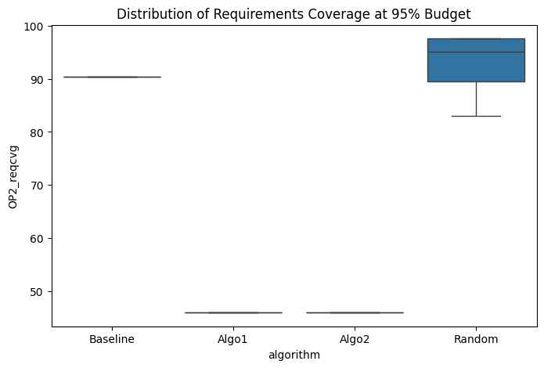
Descriptive Statistics
algorithm | mean | std
Baseline | 90.322580645 | 0
Algo1 | 45.967741935 | 0
Algo2 | 45.967741935 | 0
Random | 93.172043011 | 4.7106398314

Overall Comparison (One-way ANOVA)
F-statistic | 3785.1584692
p-value | 1.6422406617E-115
Result: | Significant difference detected

Pairwise Comparisons (Tukey HSD)
Pair | Mean diff | 95% CI | p-value | Significant?
Algo1 vs Baseline | +44.3548 | [42.7696, 45.9401] | 0.0000 | Yes
Algo1 vs Random | +47.2043 | [45.6191, 48.7895] | 0.0000 | Yes
Algo2 vs Baseline | +44.3548 | [42.7696, 45.9401] | 0.0000 | Yes
Algo2 vs Random | +47.2043 | [45.6191, 48.7895] | 0.0000 | Yes
Algo1 vs Algo2 | +0.0000 | [-1.5852, 1.5852] | 1.0000 | No

